Sheet1
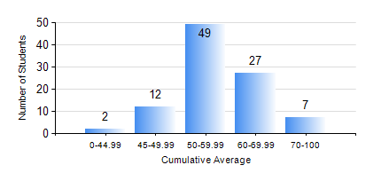
 |  |  | KWAME NKRUMAH UNIVERSITY OF SCIENCE AND TECHNOLOGY, KUMASI Department of Materials Engineering

 |  |  | BSC. MATERIALS ENG.

 |  |  | COMPREHENSIVE RECORD OF EXAMINATION RESULTS

 |  |  | RESULTS OF YEAR 3 FIRST SEMESTER, 2018/2019 ACADEMIC YEAR

 | Sn | Course Code |  | Course Name | Credit Hours | Min. Mark | Max. Mark | Avg. Mark | Std. Dev. | No. Passed | No. Trailed | No. (Df) | No. (I) | No. (I*) | No. Tagged(I,I*,Df) | Total
 | 0. |  |  |  |  |  |  | 0 | 0 | 0 | 0 | 0 | 0 | 0 | 0 | 4
 | 1. | MATH 353 |  | PROBABILTY AND STATISTICS | 2 | 33 | 88 | 59 | 10.02 | 90 | 3 | 0 | 0 | 0 | 0 | 93
 | 2. | ME 355 |  | STRENGTH OF MATERIALS II | 3 | 12 | 89 | 52 | 16.66 | 85 | 8 | 0 | 0 | 0 | 0 | 93
 | 3. | MSE 351 |  | ENGINEERING CERAMICS I | 3 | 19 | 90 | 56 | 16.33 | 77 | 16 | 0 | 0 | 0 | 0 | 93
 | 4. | MSE 353 |  | PYROMETALLURGY | 3 | 20 | 77 | 52 | 12.76 | 82 | 11 | 0 | 0 | 0 | 0 | 93
 | 5. | MSE 355 |  | POLYMER PROCESSING | 2 | 36 | 77 | 56 | 9.64 | 88 | 5 | 0 | 0 | 0 | 0 | 93
 | 6. | MSE 357 |  | FOUNDRY TECHNOLOGY I | 3 | 24 | 93 | 52 | 12.52 | 81 | 12 | 0 | 0 | 0 | 0 | 93
 | 7. | MSE 359 |  | MATERIALS ENGINEERING LABORATORY I | 2 | 19 | 86 | 61 | 11.32 | 90 | 3 | 0 | 0 | 0 | 0 | 93

